ForReport
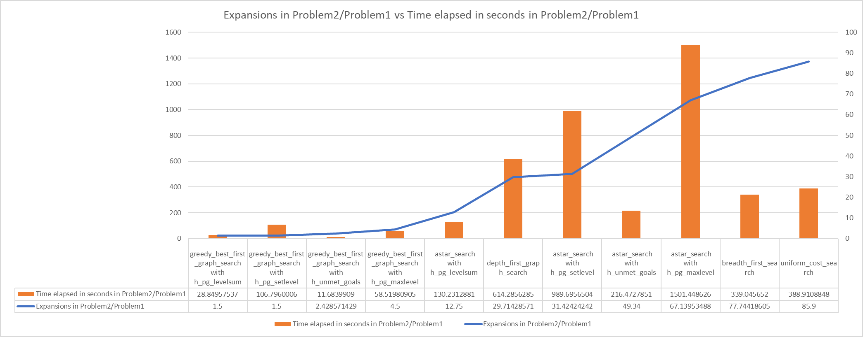
Problem: Algorithms | # Actions | Expansions | Goal Tests | New Nodes | Plan length | Time elapsed in seconds
Problem 1: astar_search with h_pg_levelsum | 20 | 28 | 30 | 122 | 6 | 1.9427228953
Problem 2: astar_search with h_pg_levelsum | 72 | 357 | 359 | 3426 | 9 | 253.00330502
Problem 3: astar_search with h_pg_levelsum | 88 | 369 | 371 | 4303 | 12 | 376.36160067
Problem 4: astar_search with h_pg_levelsum | 104 | 1208 | 1210 | 12210 | 15 | 5649.6141027
Problem 1: astar_search with h_pg_maxlevel | 20 | 43 | 45 | 180 | 6 | 2.0741529952
Problem 2: astar_search with h_pg_maxlevel | 72 | 2887 | 2889 | 26594 | 9 | 3114.2341652
Problem 1: astar_search with h_pg_setlevel | 20 | 33 | 35 | 138 | 6 | 2.8551340082
Problem 2: astar_search with h_pg_setlevel | 72 | 1037 | 1039 | 9605 | 9 | 2825.7137092
Problem 1: astar_search with h_unmet_goals | 20 | 50 | 52 | 206 | 6 | 0.016906249474
Problem 2: astar_search with h_unmet_goals | 72 | 2467 | 2469 | 22522 | 9 | 3.6597429088
Problem 3: astar_search with h_unmet_goals | 88 | 7388 | 7390 | 65711 | 12 | 9.4068010639
Problem 4: astar_search with h_unmet_goals | 104 | 34330 | 34332 | 328509 | 14 | 103.87587738
Problem 1: breadth_first_search | 20 | 43 | 56 | 178 | 6 | 0.01057722643
Problem 2: breadth_first_search | 72 | 3343 | 4609 | 30503 | 9 | 3.5861626313
Problem 3: breadth_first_search | 88 | 14663 | 18098 | 12965 | 12 | 10.604585598
Problem 4: breadth_first_search | 104 | 99736 | 114953 | 944130 | 14 | 118.32998715
Problem 1: depth_first_graph_search | 20 | 21 | 22 | 84 | 20 | 0.0068340484783
Problem 2: depth_first_graph_search | 72 | 624 | 625 | 5602 | 619 | 4.1980577649
Problem 1: greedy_best_first_graph_search with h_pg_levelsum | 20 | 6 | 8 | 28 | 6 | 0.41708372632
Problem 2: greedy_best_first_graph_search with h_pg_levelsum | 72 | 9 | 11 | 86 | 9 | 12.032688397
Problem 3: greedy_best_first_graph_search with h_pg_levelsum | 88 | 14 | 16 | 126 | 14 | 17.195794381
Problem 4: greedy_best_first_graph_search with h_pg_levelsum | 104 | 17 | 19 | 165 | 17 | 29.963572938
Problem 1: greedy_best_first_graph_search with h_pg_maxlevel | 20 | 6 | 8 | 24 | 6 | 0.38200599713
Problem 2: greedy_best_first_graph_search with h_pg_maxlevel | 72 | 27 | 29 | 249 | 9 | 22.354918008
Problem 1: greedy_best_first_graph_search with h_pg_setlevel | 20 | 6 | 8 | 28 | 6 | 0.38200599713
Problem 2: greedy_best_first_graph_search with h_pg_setlevel | 72 | 9 | 11 | 84 | 9 | 40.796712699
Problem 1: greedy_best_first_graph_search with h_unmet_goals | 20 | 7 | 9 | 29 | 6 | 0.0021628709075
Problem 2: greedy_best_first_graph_search with h_unmet_goals | 72 | 17 | 19 | 170 | 9 | 0.025270963991
Problem 3: greedy_best_first_graph_search with h_unmet_goals | 88 | 25 | 27 | 230 | 15 | 0.033597524678
Problem 4: greedy_best_first_graph_search with h_unmet_goals | 104 | 29 | 31 | 280 | 18 | 0.07047176596
Problem 1: uniform_cost_search | 20 | 60 | 62 | 240 | 6 | 0.014262147995
Problem 2: uniform_cost_search | 72 | 5154 | 5156 | 46618 | 9 | 5.5467045962

Expansion
Sum of Expansions | Column Labels
Row Labels | astar_search with h_pg_levelsum | astar_search with h_pg_maxlevel | astar_search with h_pg_setlevel | astar_search with h_unmet_goals | breadth_first_search | depth_first_graph_search | uniform_cost_search | greedy_best_first_graph_search with h_pg_setlevel | greedy_best_first_graph_search with h_pg_maxlevel | greedy_best_first_graph_search with h_pg_levelsum | greedy_best_first_graph_search with h_unmet_goals | Grand Total
20 | 28 | 43 | 33 | 50 | 43 | 21 | 60 | 6 | 6 | 6 | 7 | 303
72 | 357 | 2887 | 1037 | 2467 | 3343 | 624 | 5154 | 9 | 27 | 9 | 17 | 15931
88 | 369 |  |  | 7388 | 14663 |  |  |  |  | 14 | 25 | 22459
104 | 1208 |  |  | 34330 | 99736 |  |  |  |  | 17 | 29 | 135320
Grand Total | 1962 | 2930 | 1070 | 44235 | 117785 | 645 | 5214 | 15 | 33 | 46 | 78 | 174013
# Actions vs Expansions
 | astar_search with h_pg_levelsum | astar_search with h_pg_maxlevel | astar_search with h_pg_setlevel | astar_search with h_unmet_goals | breadth_first_search | depth_first_graph_search | uniform_cost_search | greedy_best_first_graph_search with h_pg_setlevel | greedy_best_first_graph_search with h_pg_maxlevel | greedy_best_first_graph_search with h_pg_levelsum | greedy_best_first_graph_search with h_unmet_goals
20 | 28 | 43 | 33 | 50 | 43 | 21 | 60 | 6 | 6 | 6 | 7
72 | 357 | 2887 | 1037 | 2467 | 3343 | 624 | 5154 | 9 | 27 | 9 | 17
88 | 369 |  |  | 7388 | 14663 |  |  |  |  | 14 | 25
104 | 1208 |  |  | 34330 | 99736 |  |  |  |  | 17 | 29

Time elapsed in seconds
Sum of Time elapsed in seconds | Column Labels
Row Labels | astar_search with h_pg_levelsum | astar_search with h_pg_maxlevel | astar_search with h_pg_setlevel | astar_search with h_unmet_goals | breadth_first_search | depth_first_graph_search | uniform_cost_search | greedy_best_first_graph_search with h_pg_setlevel | greedy_best_first_graph_search with h_pg_maxlevel | greedy_best_first_graph_search with h_pg_levelsum | greedy_best_first_graph_search with h_unmet_goals | Grand Total
20 | 1.9427228953 | 2.0741529952 | 2.8551340082 | 0.016906249474 | 0.01057722643 | 0.0068340484783 | 0.014262147995 | 0.38200599713 | 0.38200599713 | 0.41708372632 | 0.0021628709075 | 8.1038481625
72 | 253.00330502 | 3114.2341652 | 2825.7137092 | 3.6597429088 | 3.5861626313 | 4.1980577649 | 5.5467045962 | 40.796712699 | 22.354918008 | 12.032688397 | 0.025270963991 | 6285.1514375
88 | 376.36160067 |  |  | 9.4068010639 | 10.604585598 |  |  |  |  | 17.195794381 | 0.033597524678 | 413.60237924
104 | 5649.6141027 |  |  | 103.87587738 | 118.32998715 |  |  |  |  | 29.963572938 | 0.07047176596 | 5901.854012
Grand Total | 6280.9217313 | 3116.3083182 | 2828.5688433 | 116.95932761 | 132.5313126 | 4.2048918134 | 5.5609667442 | 41.178718696 | 22.736924005 | 59.609139442 | 0.13150312554 | 12608.711677

# Actions vs Time elapsed in seconds
 | astar_search with h_pg_levelsum | astar_search with h_pg_maxlevel | astar_search with h_pg_setlevel | astar_search with h_unmet_goals | breadth_first_search | depth_first_graph_search | uniform_cost_search | greedy_best_first_graph_search with h_pg_setlevel | greedy_best_first_graph_search with h_pg_maxlevel | greedy_best_first_graph_search with h_pg_levelsum | greedy_best_first_graph_search with h_unmet_goals
20 | 1.9427228953 | 2.0741529952 | 2.8551340082 | 0.016906249474 | 0.01057722643 | 0.0068340484783 | 0.014262147995 | 0.38200599713 | 0.38200599713 | 0.41708372632 | 0.0021628709075
72 | 253.00330502 | 3114.2341652 | 2825.7137092 | 3.6597429088 | 3.5861626313 | 4.1980577649 | 5.5467045962 | 40.796712699 | 22.354918008 | 12.032688397 | 0.025270963991
88 | 376.36160067 |  |  | 9.4068010639 | 10.604585598 |  |  |  |  | 17.195794381 | 0.033597524678
104 | 5649.6141027 |  |  | 103.87587738 | 118.32998715 |  |  |  |  | 29.963572938 | 0.07047176596

Plan length
Sum of Plan length | Column Labels
Row Labels | astar_search with h_pg_levelsum | astar_search with h_pg_maxlevel | astar_search with h_pg_setlevel | astar_search with h_unmet_goals | breadth_first_search | depth_first_graph_search | uniform_cost_search | greedy_best_first_graph_search with h_pg_setlevel | greedy_best_first_graph_search with h_pg_maxlevel | greedy_best_first_graph_search with h_pg_levelsum | greedy_best_first_graph_search with h_unmet_goals | Grand Total
20 | 6 | 6 | 6 | 6 | 6 | 20 | 6 | 6 | 6 | 6 | 6 | 80
72 | 9 | 9 | 9 | 9 | 9 | 619 | 9 | 9 | 9 | 9 | 9 | 709
88 | 12 |  |  | 12 | 12 |  |  |  |  | 14 | 15 | 65
104 | 15 |  |  | 14 | 14 |  |  |  |  | 17 | 18 | 78
Grand Total | 42 | 15 | 15 | 41 | 41 | 639 | 15 | 15 | 15 | 46 | 48 | 932

# Actions vs Plan Length
 | astar_search with h_pg_levelsum | astar_search with h_pg_maxlevel | astar_search with h_pg_setlevel | astar_search with h_unmet_goals | breadth_first_search | depth_first_graph_search | uniform_cost_search | greedy_best_first_graph_search with h_pg_setlevel | greedy_best_first_graph_search with h_pg_maxlevel | greedy_best_first_graph_search with h_pg_levelsum | greedy_best_first_graph_search with h_unmet_goals
20 | 6 | 6 | 6 | 6 | 6 | 20 | 6 | 6 | 6 | 6 | 6
72 | 9 | 9 | 9 | 9 | 9 | 619 | 9 | 9 | 9 | 9 | 9
88 | 12 |  |  | 12 | 12 |  |  |  |  | 14 | 15
104 | 15 |  |  | 14 | 14 |  |  |  |  | 17 | 18

